Model Fit
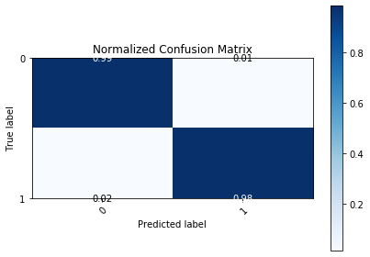
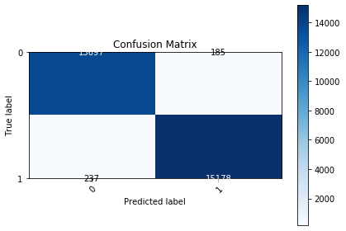
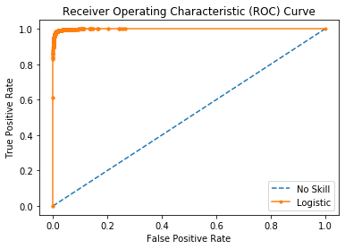
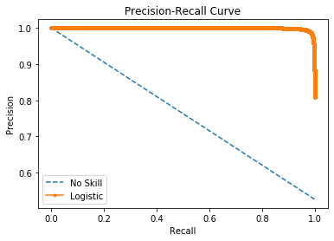

Logistic Area Under Curve | 0.99895636747 | Logistic Area Under Curve | 0.99907548701
No Skill Area Under Curve | 0.5 | Logistic F1 | 0.98628890766
Optimal Threshold | 0.56181169302 | No Skill Area Under Curve | 0.76308154419
 |  | No Skill F1 | 0
 |  | Best Threshold (F1) | 0.56

